Sheet1
 | Error | Average
1 | 3.68% | 2.59%
2 | 2.02% | 2.59%
3 | 1.88% | 2.59%
4 | 0.48% | 2.59%
5 | 2.66% | 2.59%
7 | 1.12% | 2.59%
8 | 3.57% | 2.59%
9 | 4.69% | 2.59%
10 | 0.48% | 2.59%
11 | 0.51% | 2.59%
12 | 2.86% | 2.59%
13 | 4.59% | 2.59%
14 | 4.02% | 2.59%
15 | 2.08% | 2.59%
16 | 4.22% | 2.59%
No. | File name | Prview | Object | Camera | Method | Calculated area (m^2) | Actual area (m^2) | Error | Average | Standard Deviation
1 | DSC_0631.JPG |  | White lid | D300S_24mm | Auto | 0.183 | 0.19 | 3.68% | 2.59% | 1.457%
2 | DSC_0770.JPG |  | Color painting | D300S_24mm | Auto | 0.776 | 0.792 | 2.02% | 2.59%
3 | DSC_0816.JPG |  | Black carpet | D300S_24mm | Grab Cut | 0.209 | 0.213 | 1.88% | 2.59%
4 | DSC_0818.JPG |  | Color painting | D300S_24mm | Grab Cut | 0.206 | 0.207 | 0.48% | 2.59%
5 | DSC_0818x4.jpg |  | Color painting * 4 | D300S_24mm | Auto | 0.806 | 0.828 | 2.66% | 2.59%
6 | DSC_0826.JPG |  | White irregular shape table | D300S_24mm | Auto | 1.602 | 1.66 (Estimated) | N/A
7 | DSC_0837.jpg |  | Triangle shape map (Outermost triangle) | D300S_24mm | Manual re-draw | 0.54 | 0.534 | 1.12% | 2.59%
8 | DSC_0854.JPG |  | Monitor screen (Desktop area only) | D300S_24mm | Auto | 0.135 | 0.14 | 3.57% | 2.59%
9 | IMG_1223.jpeg | 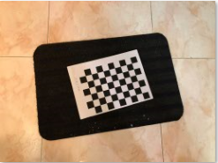 | Black carpet | iPhone 8 | Grab Cut | 0.203 | 0.213 | 4.69% | 2.59%
10 | IMG_1259.jpeg | 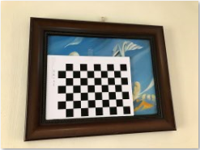 | Color painting | iPhone 8 | Auto | 0.206 | 0.207 | 0.48% | 2.59%
11 | IMG_1260.jpeg | 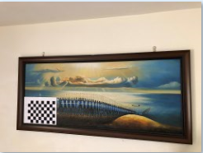 | Color painting | iPhone 8 | Auto | 0.796 | 0.792 | 0.51% | 2.59%
12 | IMG_1266.jpeg |  | Rectangle table | iPhone 8 | Auto | 0.577 | 0.594 | 2.86% | 2.59%
13 | IMG_1270.jpg | 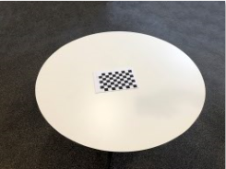 | Round white table | iPhone 8 | Auto | 1.059 | 1.11 | 4.59% | 2.59%
14 | IMG_1336.JPEG | 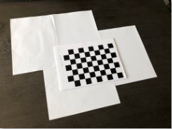 | 4 A4 paper | iPhone 8 | Auto | 0.239 | 0.249 | 4.02% | 2.59%
15 | IMG_1337.JPEG | 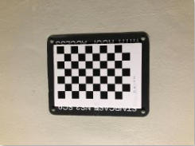 | Signboard | iPhone 8 | Auto | 0.094 | 0.096 | 2.08% | 2.59%
16 | IMG_1338.jpeg | 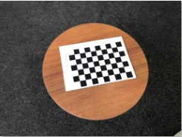 | Round brown table | iPhone 8 | Auto | 0.159 | 0.166 | 4.22% | 2.59%

